Parts List
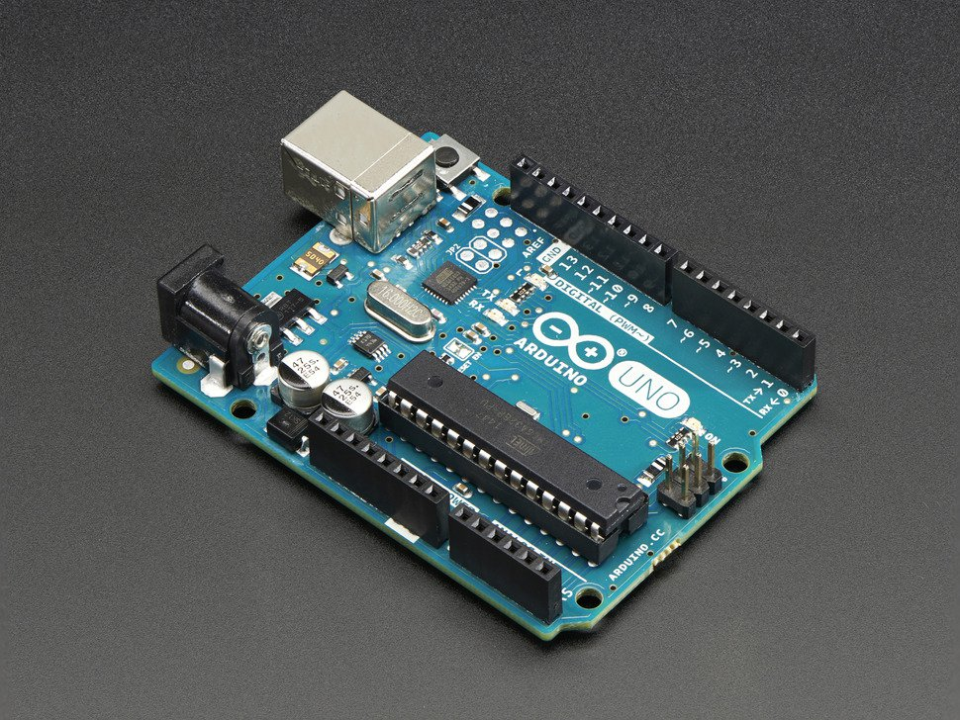 | Arduino Uno | https://www.adafruit.com/products/50 | 24.95
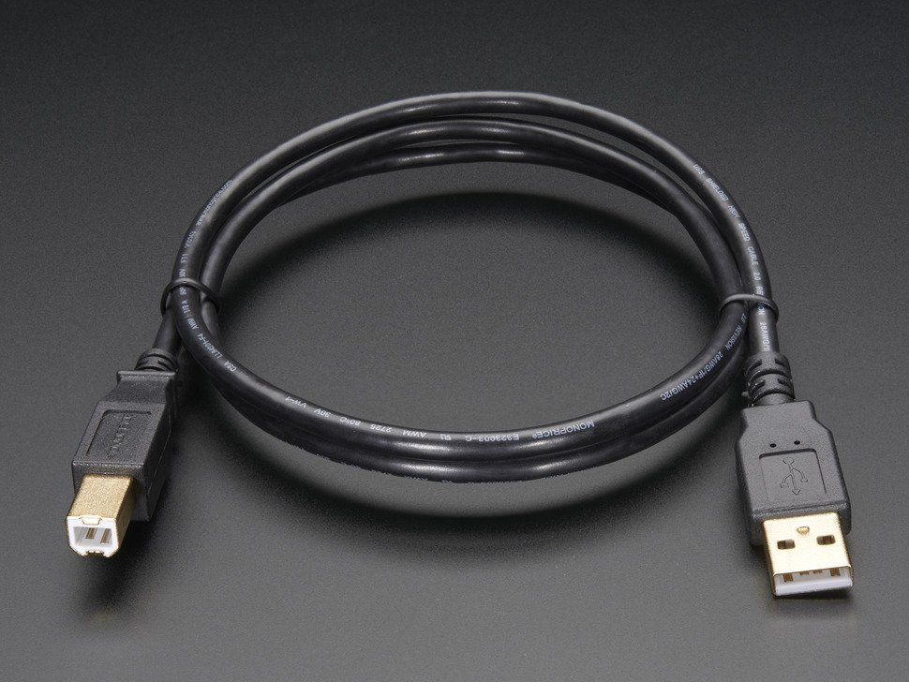 | Arduino USB | https://www.adafruit.com/products/62 | 3.95
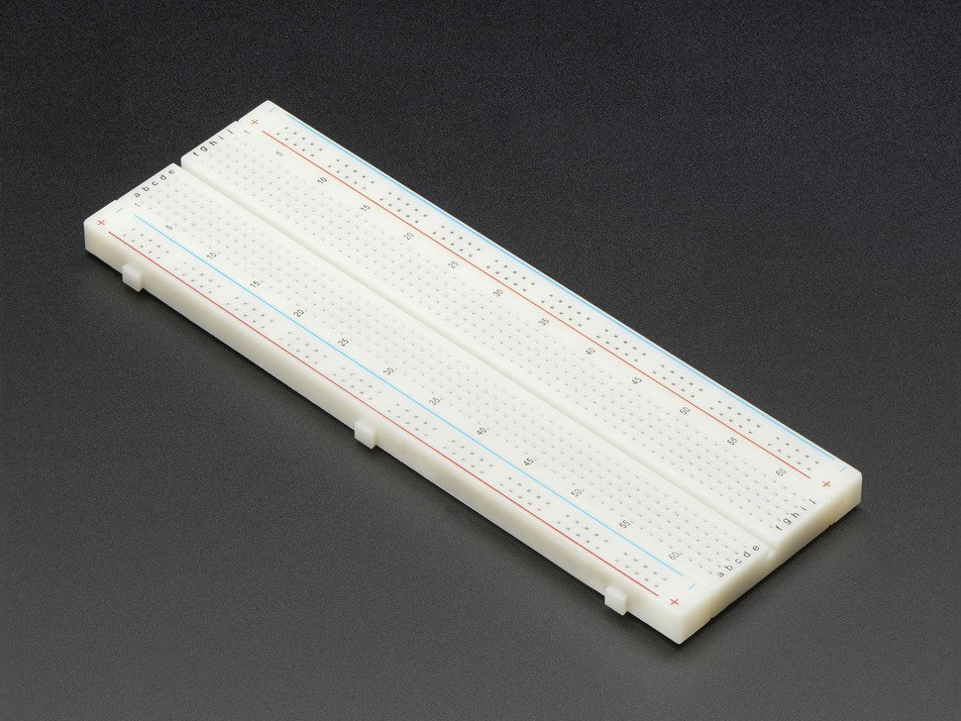 | Breadboard | https://www.adafruit.com/products/239 | 5.95
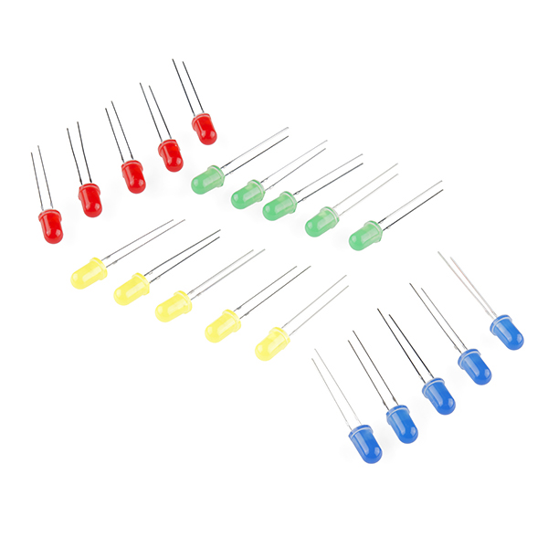 | LEDs | https://www.sparkfun.com/products/12062 | 2.95
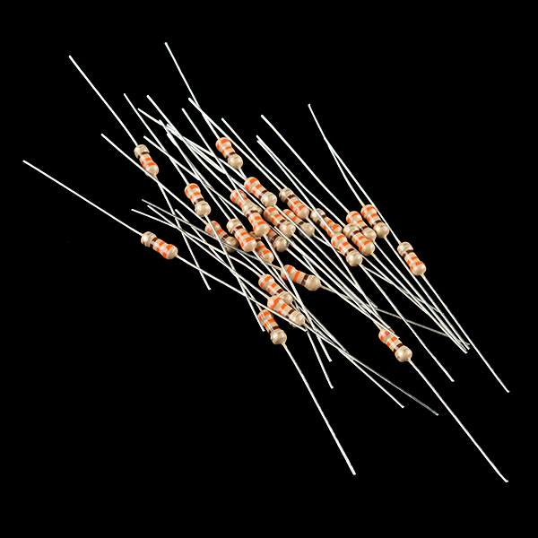 | Resistors | https://www.sparkfun.com/products/11507 | 0.95
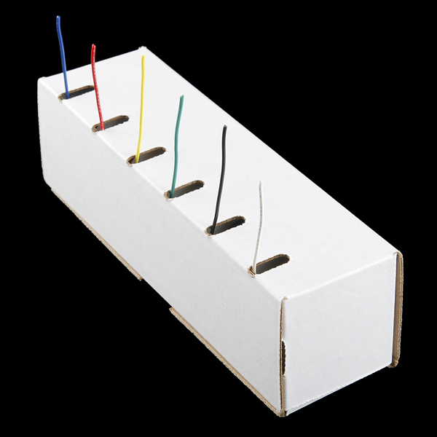 | Hookup Wire | https://www.sparkfun.com/products/11367 | 16.95
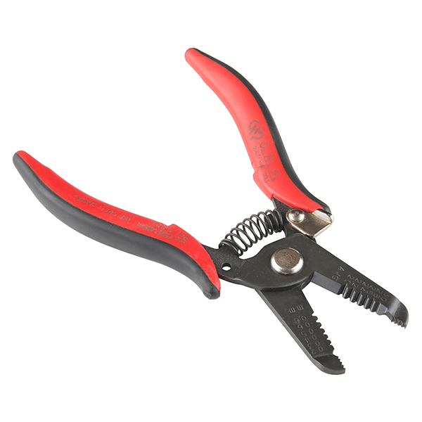 | Strippers | https://www.sparkfun.com/products/12630 | 9.95
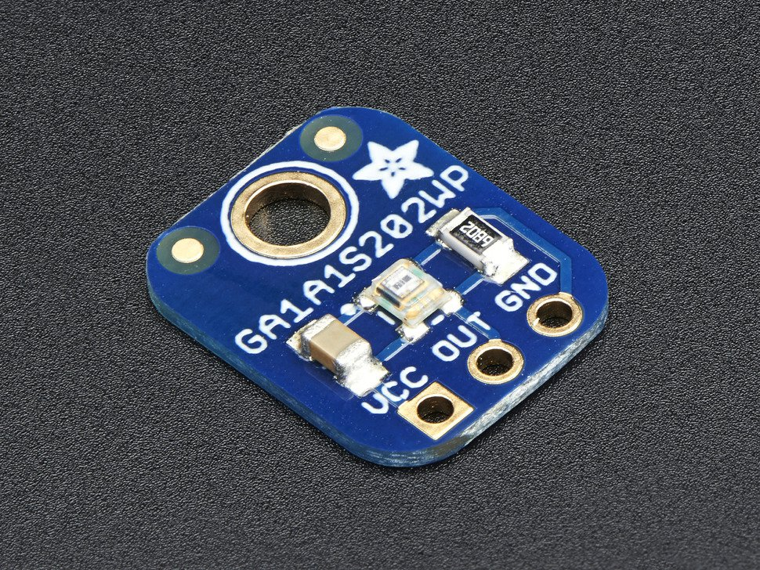 | Light Sensor | https://www.adafruit.com/products/1384 | 3.95
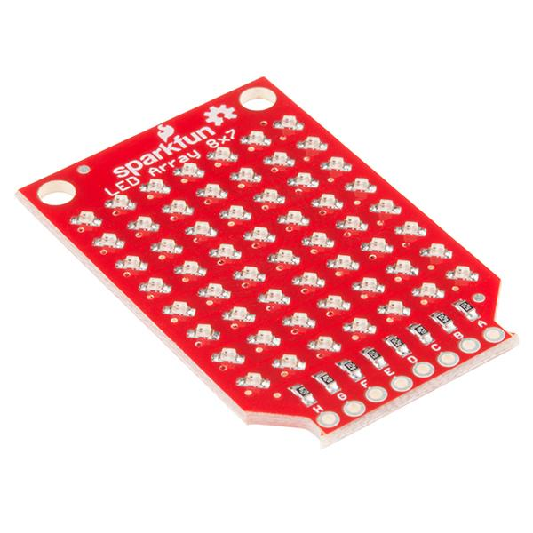 | LED Array | https://www.sparkfun.com/products/13795 | 8.95
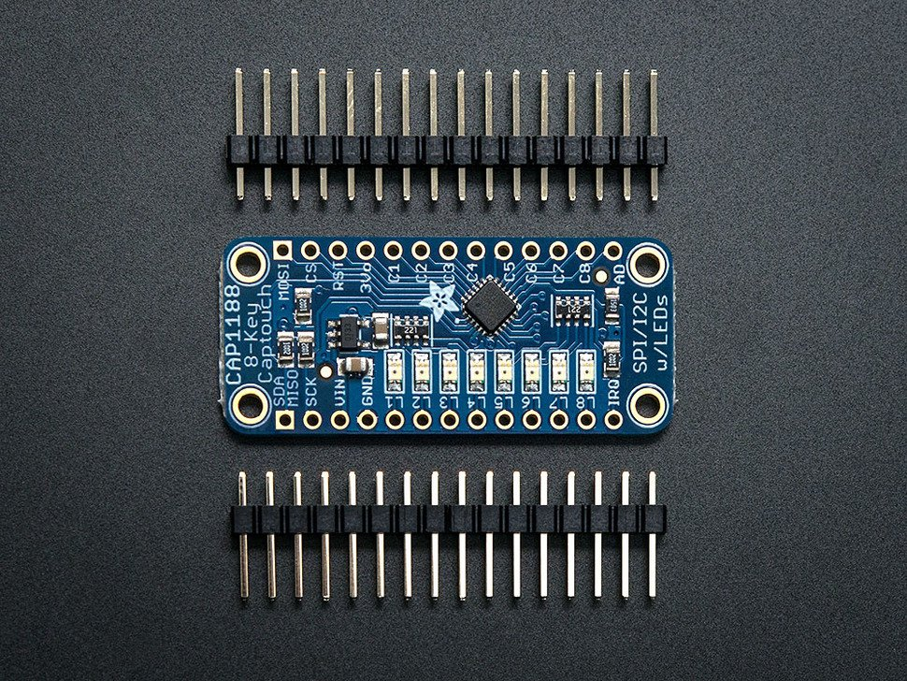 | Touch Sensor | https://www.adafruit.com/products/1602 | 7.95
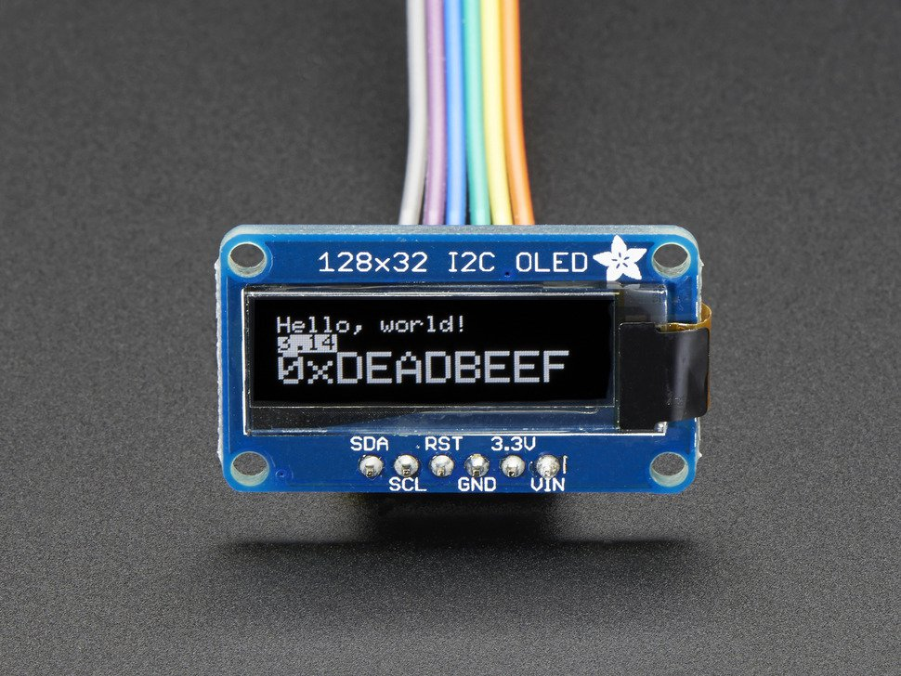 | OLED Display | https://www.adafruit.com/products/931 | 17.5
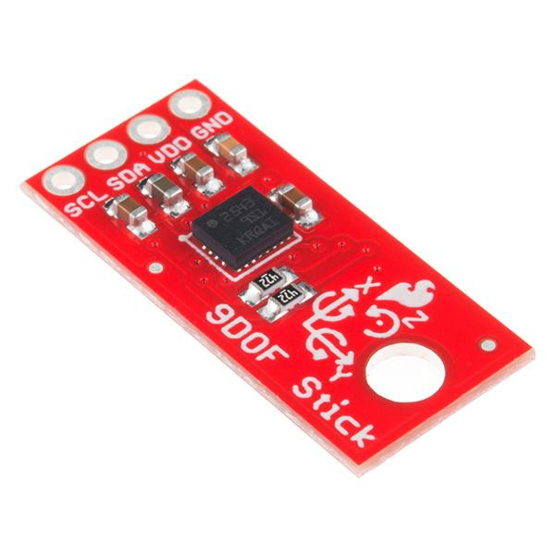 | 9DOF | https://www.sparkfun.com/products/13944 | 14.95
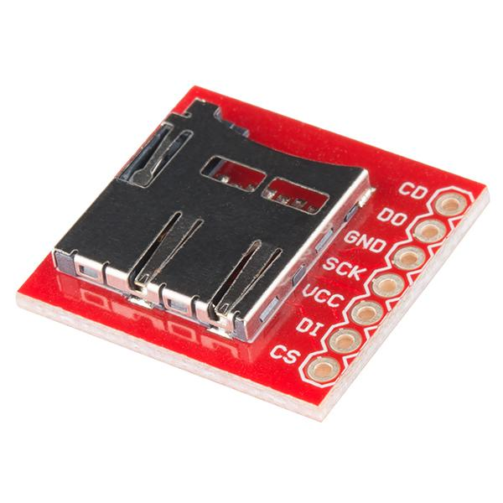 | SD Socket | https://www.sparkfun.com/products/544 | 3.95
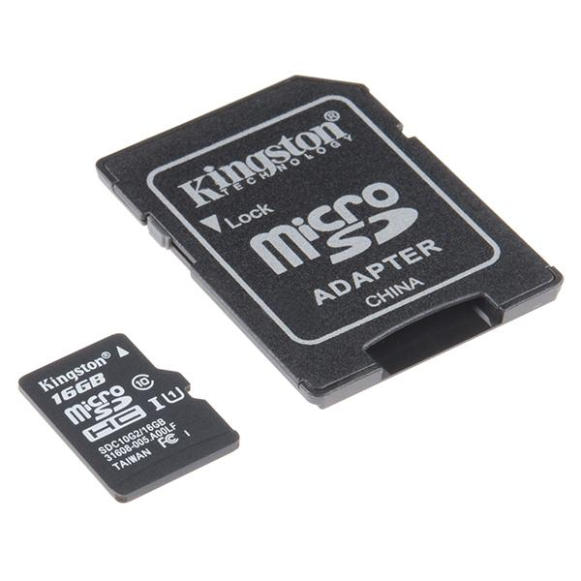 | SD Card | https://www.sparkfun.com/products/13833 | 12.95

 |  | TOTAL:
 |  | 135.85

